1. Title Page
Instacart Data Analysis

Project Name: Instacart Data Analysis - Final Achievement
Date: 19 January 2025
Analyst Name: Aysha Samsudeen

Contents of report:
Population Flow
Consistency checks
Wrangling steps
Column derivations
Visualizations
Recommendations

Data Source
“The Instacart Online Grocery Shopping Dataset 2017”, Accessed from www.instacart.com/datasets/grocery-shopping-2017 via Kaggle on 9/4/2024.
The customer data you explored is fictitious and the prices colum as well as the “prices” column are fabricated.

2. Population Flow
Instacart analysis |  | Title page

Population flow

Exclusion flag
Condition: max_order < 5
Obervations to be removed: 1,444,295
Final total count of order_products_all: 30,964,564

Orders_products_merged
Orders_products_merged
Orders_products_customers

Total: 32,404,858
Total: 32,434,488
Total: 32,404,858

Original Data (Grey Boxes in First Row):
Action: Import the original datasets into Jupyter (before any data manipulation).
Row Count: Record the number of rows in each dataset as it was when you downloaded it.
Purpose: This represents the raw data and serves as the starting point for the analysis.
Manipulated Data (Coloured Boxes in Second Row):
Action: Perform data cleaning operations like removing missing values, duplicates, and outliers.
Row Count: After these operations, count the number of rows that remain in each cleaned dataset.
Purpose: This stage represents the cleaned data, ready for merging. The row count here should reflect the dataset post-cleaning.
Merged Datasets (Coloured Arrows in Third Row):
Action: Merge the cleaned datasets together.
Row Count: Count the number of rows after merging the datasets. The total should include all rows from the merged datasets, before any exclusions are applied (based on the exclusion flag).
Final Dataset: The row count in the final dataset (highlighted in the red box) should reflect the result of all merges, without any exclusions. Exclusions, if needed, will be handled separately.
This flow ensures that you track how the dataset size changes through each step, from import, to cleaning, to merging, and ultimately to the final dataset.

 | I

3. Consistency checks
Instacart analysis |  |  |  | Title page
Consistency checks

 | Missing values | Missing values treatment | Duplicates
orders | 206,209 in the 'days_since_prior_order' column | Flagged as first_order | No duplicates
products | 16 missing 'product_name' | Deleted rows/ missing data | 5 duplicate were deleted
orders_products_prior | None | None | No duplicates
customers | None | None | No duplicates
orders_products_customers | prices over $100 marked as missing | changed to Nan

4. Wrangling steps
Instacart analysis |  |  |  | Title page
Wrangling steps

Columns dropped | Columns renamed | Columns' type changed | Comment/Reason
 |  | order_id | data type change, integer to string
 |  | user_id | data type change, integer to string
 | order_dow to orders_day_of_week |  | clarity
 | First Name to first_name |  | maintain naming convention
 | Surnam to last_name |  | maintain naming convention
 | Gender to gender |  | maintain naming convention
 | STATE to state |  | maintain naming convention
 | Age to age |  | maintain naming convention
 |  | first_name | data type change, mixed to string
Unnamed xx |  |  | not needed
_merged |  |  | not needed

 | In

5. Column derivations
Instacart analysis |  |  |  |  | Title page

Column derivations and aggregations

Dataset | New column | Column/s it was derived from | Conditions
orders | first_order | days_since_prior_order' | NaN
ords_prods_merge | price_range | prices | if prices <= 5 then 'low-range product' if prices >5 & <= 15 then 'mid-range product' if prices > 15 then 'high-range product' else 'not enough data'
ords_prods_merge | busiest_day | orders_day_of_week | if value == 0 then 'busiest day' if value == 4 then 'least busy' else 'regularly busy'
ords_prods_merge | busiest_days | orders_day_of_week | if value == 0 or 1 then 'busiest days' if value == 3 or 4 then 'slowest days' else 'regularly busy'
ords_prods_merge | busiest_period_of_day | hour_of_day | if value == 10 or 11 then 'most orders' if value == 3 or 4 then 'fewest orders' else 'average orders'
ords_prods_merge | loyalty_flag | max_order | if value > 40 then 'loyal customer' if value <= 40 & > 10 then 'regular customer' if value < 10 then 'new customer'
ords_prods_merge | mean_spend | prices | average price per customer
ords_prods_merge | spender_flag | mean_spend | if value > 10 then 'low spender' if value >= 10 then 'high customer'
ords_prods_merge | customer_frequency | days_since_prior_order | if value < 20 then 'non_frequent_customer' if value <= 20 & > 10 then 'regular customer' if value > 10 then 'frequent customer' | Inst
orders_products_customers | region | state | State defined into regions according to this List of regions of the United States
orders_products_customers | activity_flag | max_order | if value < 5 then 'low-activity customer' if value >= 5 then 'high-activity customer'
low_activity_excluded | income_group | income | if value > 150000 then 'high income' if value >= 55000 & < 150000 then 'middle income' if value < 55000 then 'low income'
low_activity_excluded | age_group | age | if value > 64 then 'senior' if value > 44 & <= 64 then 'middle-aged' if value > 25 & <= 44 then 'adult' if value <= 25 then 'young adult'
low_activity_excluded | dependants_flag | n_dependants | if value == 0 then 'no dependants' if value >= 1 then 'has dependants'

first_order |  | price_range
False 30328763 |  | Mid-range product 673183
True 2076096 |  | Low-range product 314392
Name: count, dtype: int64 |  | High range 12425
 |  | Name: count, dtype: int64

busiest_day |  | busiest_days
Regularly busy 22416875 |  | Regularly busy 12916111
Busiest day 6204182 |  | Busiest days 11864412
Least busy 3783802 |  | Slowest days 7624336
Name: count, dtype: int64 |  | Name: count, dtype: int64

busiest_period_of_day |  | loyalty_flag
Average orders 26802436 |  | Regular customer 15876776
Most Orders 5497900 |  | Loyal customer 10284093
Fewest orders 104523 |  | New customer 6243990
Name: count, dtype: int64 |  | Name: count, dtype: int64

spending_flag |  | customer_frequency
Low spender 31770614 |  | Frequent customer 21559853
High spender 634245 |  | Regular customer 7208564
Name: count, dtype: int64 |  | Non-frequent customer 3636437
 |  | Name: count, dtype: int64

activity_flag |  | income_group
high-activity customer 30964564 |  | middle-income 22617642
low-activity customer 1440295 |  | low-income 4452388
Name: count, dtype: int64 |  | high-income 3894534
 |  | Name: count, dtype: int64

age_group |  | dependants_flag
middle-aged 9690051 |  | has dependants 23224883
adult 9214451 |  | no dependants 7739681
senior 8195544 |  | Name: count, dtype: int64
young adult 3864518
Name: count, dtype: int64

6.Visualisations
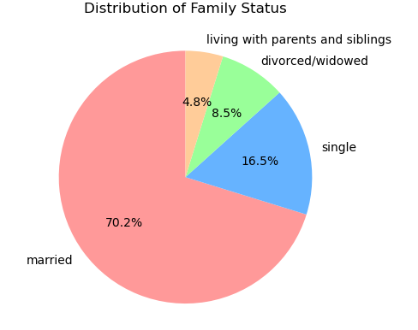
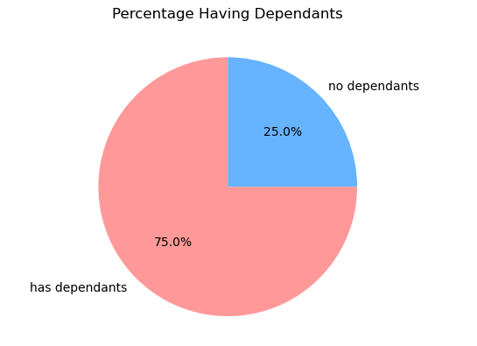
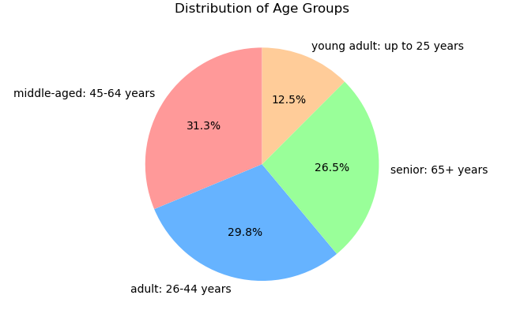
Visualisations

 | Question
 | What are the busiest days of the week and hours of the day?

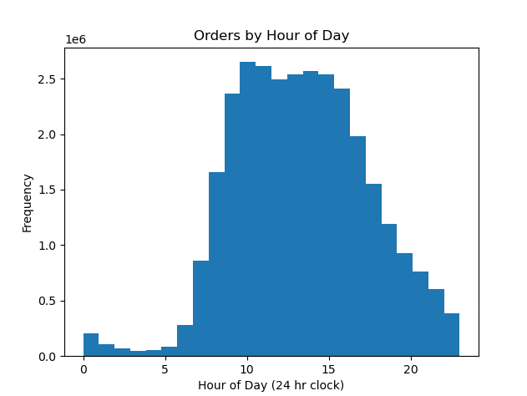
 | Saturday and Sunday are the busiest and Tuesday and Wednesday are the least.
 | Most orders are between 9am and 4pm with a peak at 10am to 11am
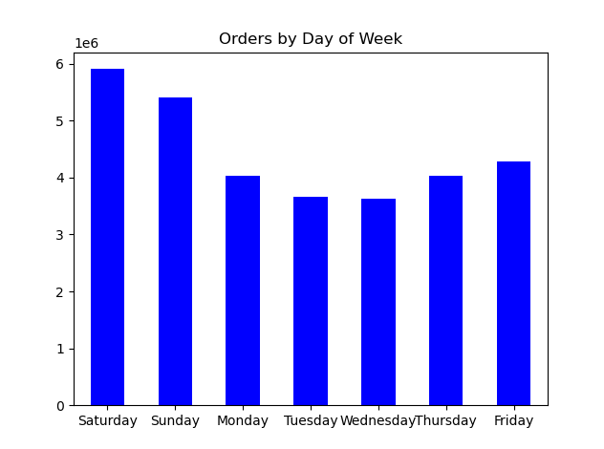

 | Question
 | Are there particular times of day when people spend the most money?
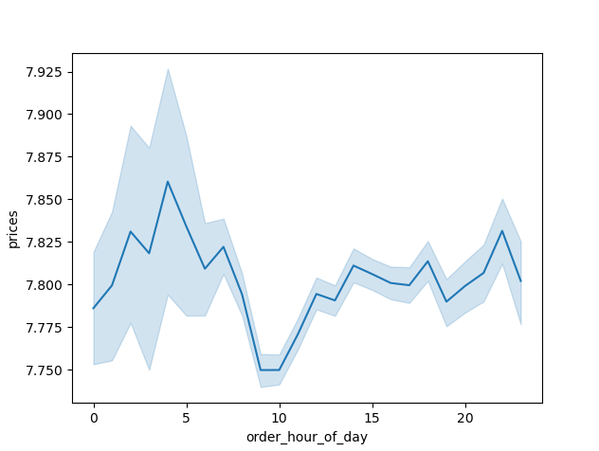

 | Sales are higher in the morning, but it should be noted that this is a small variation.
 | Additionally, sales are higher on the weekends

 | Question
 | Are there certain products that are more popular than others?

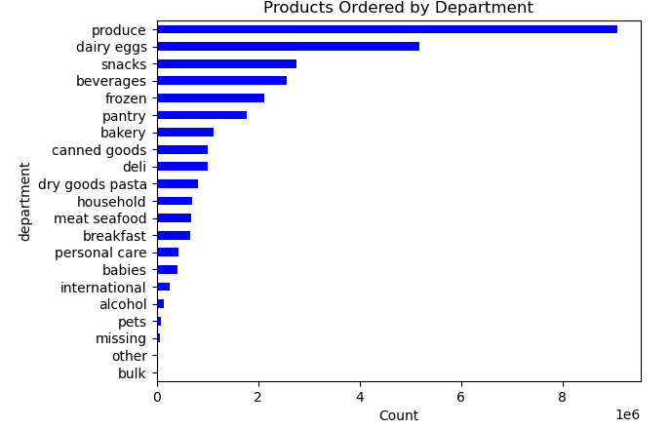

 | Produce, Dairy/eggs, snacks, and beverages are the biggest sellers by department
 | This is both in an age group and a regional breakdown as well.

 | Question
 | What is the distribution among users as to how often they return to Instacart?

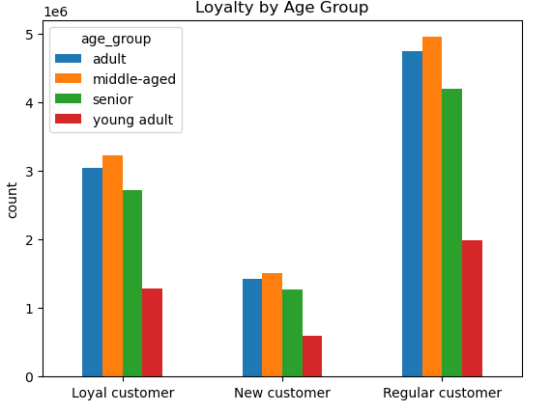
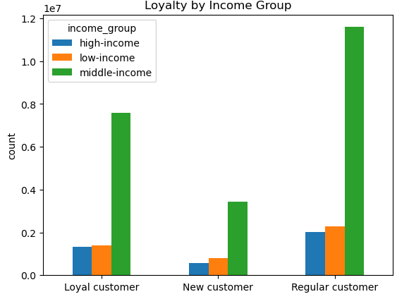

 | Most cusomers are middle aged who find the option convenient.

 | Question
 | Are there differences in ordering habits based on region?

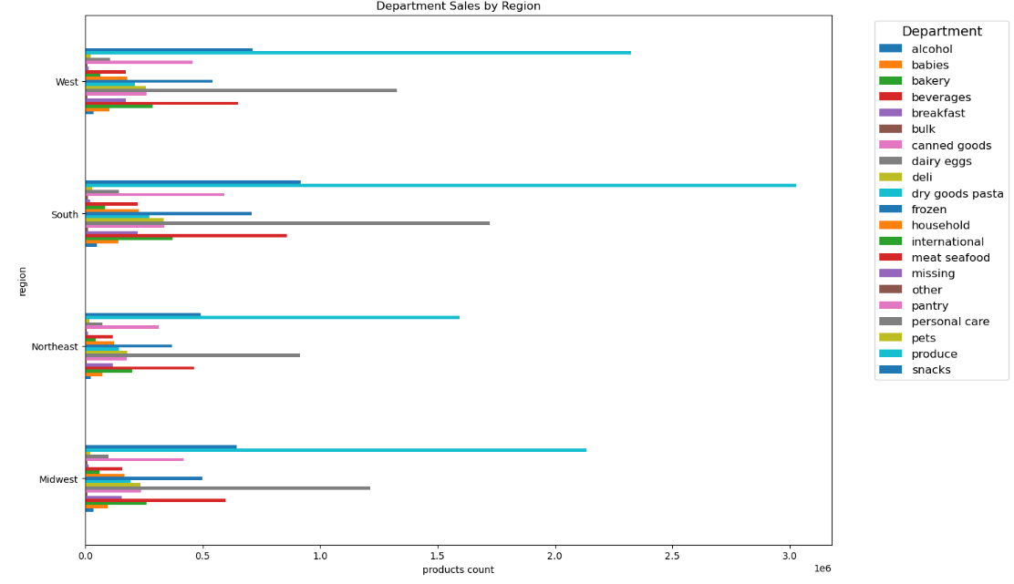

 | In South and west have highest sales figures.

 | Question
 | Is there a connection between age and family status and ordering habits?

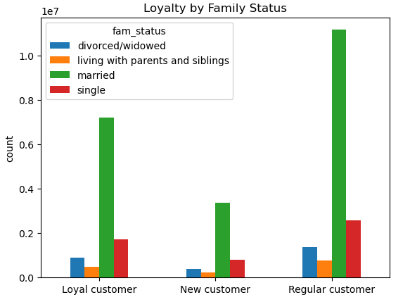

 | Most customers are adults, middle age and married . | I

 | Question
 | What different classifications does the demographic information suggest? Age? Income? Certain types of goods? Family status??

7. Recommendations
Instacart Analysis |  |  | Title page

Recommendations

Question | Answer | Recommendations
What are the busiest days of the week and hours of the day? | Saturday and Sunday are the busiest and Tuesday and Wednesday are the least busiest. Most orders are between 9am and 4pm. | As the middle of the week are the least busy days, have sales and coupons targeting those days to drive higher sales during those times.
Are there particular times of day when people spend the most money? | Sales are higher in the morning, but it should be noted that this is a small variation. Additionally, sales are higher on the weekends. | sales are higher in the morning and on the weekend, these variations are minormto a max of 20 cents. This small variance seems to be almost statistical in nature, there these are no recommendations from this observation.
Are there certain products that are more popular than others? | Produce, Dairy/eggs, snacks, and beverages are the biggest sellers by department. | Coupons and specials for popular items such as Produce and Dairy are recommended to get people to place orders. Coupons and specials for the least popular items such as international, alcohol, and bulk items are used to boost sales in those departments.
Are there differences in ordering habits based on loyalty status? | Most customers are considered to be low spenders. | Would instant cart rather have high spenders of frequent shoppers? Discounts on the entire grocery purchase would drive up spending per order, but probably reduce frequency.
Are there differences in ordering habits based on region? | Customers in the South and the West have the largest sales of produce, snacks and dariy/eggs. | Increase advertising and promotions in regions when there are fewer customers
What is the distribution among users as to how often they return to Instacart? Is there a connection between age and family status and ordering habits? What different classifications does the demographic information suggest? Age? Income? Certain types of goods? Family status?? | Most customers are adult or middle-aged, married, and have dependants. Custpmers in the upper income bracket tend to be over 40. | Families: Offer bulk coupons on dinner essentials, breakfast cereals, and packable lunch items to appeal to parents shopping for larger households.High-Income Consumers (40+): Promote luxury products like gourmet foods, premium wines, and organic goods to attract affluent shoppers.
What differences can you find in ordering habits of different customer profiles? Consider the price of orders, the frequency of orders, the products customers are ordering. | Simply put, these parents are exactly who would benefit most from a service that saves them time, energy, and hassle. They’re the ones doing the bulk of grocery shopping, and they’re ready to pay for the convenience of skipping the store. It’s a no-brainer. | Instacart may want to expand its reach to other demographics, such as seniors, but faces challenges like technology familiarity, which could limit growth among older customers. Focusing on family-sized products could drive more orders, as families tend to buy in bulk and appreciate the convenience of delivery. Instacart competes with services like Shipt, Amazon Fresh, Walmart+, and store-specific delivery options. Some customers prefer shopping in-person, using store loyalty programs or enjoying the tactile experience of selecting products themselves. To stay competitive, Instacart could explore partnerships with retailers to offer discounts or free items, incentivizing customers to use their service instead of shopping in-store.

